Contents


Northern Ireland Residential Property Price Index
Publication Date: 17 May 2016
To access data tables, select the table headings or tabs.
To access graphs, select the tabs.

Cover sheet
Notes

Next Scheduled Up-date
Quarterly | 2016-08-16

Reference Table | Frequency | Residential Property Price Index - Quarter 1 2016
Table 1 | Quarterly | Table 1: NI RPPI Trends Q1 2005 - Q1 2016
Figure 1 | Quarterly | Figure 1: Graph of NI RPPI Q1 2005 - Q1 2016
Figure 1a | Quarterly | Figure 1a: Graph of Percentage Quarterly Change Q1 2005 - Q1 2016
Figure 1b | Quarterly | Figure 1b: Graph of Percentage Annual Change Q1 2005 - Q1 2016
Table 2 | Quarterly | Table 2: NI RPPI & Standardised Price Statistics by Property Type Q1 2016
Table 2a | Quarterly | Table 2a: NI Detached Property Price Index Q1 2005 - Q1 2016
Figure 2a | Quarterly | Figure 2a: Graph of NI Detached Property Price Index Q1 2005 - Q1 2016
Table 2b | Quarterly | Table 2b: NI Semi-Detached Property Price Index Q1 2005 - Q1 2016
Figure 2b | Quarterly | Figure 2b: Graph of NI Semi-Detached Property Price Index Q1 2005 - Q1 2016
Table 2c | Quarterly | Table 2c: NI Terrace Property Price Index Q1 2005 - Q1 2016
Figure 2c | Quarterly | Figure 2c: Graph of NI Terrace Property Price Index Q1 2005 - Q1 2016
Table 2d | Quarterly | Table 2d: NI Apartment Price Index Q1 2005 - Q1 2016
Figure 2d | Quarterly | Figure 2d: Graph of NI Apartment Price Index Q1 2005 - Q1 2016
Table 3 | Quarterly | Table 3: NI RPPI & Standardised Price Statistics by New/Old Dwelling Type Q1 2016
Table 3a | Quarterly | Table 3a: NI New Dwelling Price Index Q1 2005 - Q1 2016
Figure 3a | Quarterly | Figure 3a: Graph of NI New Dwellings Price Index Q1 2005 - Q1 2016
Table 3b | Quarterly | Table 3b: NI Old Dwellings Price Index Q1 2005 - Q1 2016
Figure 3b | Quarterly | Figure 3b: Graph of NI Old Dwellings Price Index Q1 2005 - Q1 2016
Table 3c | Quarterly | Table 3c: Number of Verified Residential Property Sales by New/Old Dwellings Q1 2005 - Q1 2016
Table 4 | Quarterly | Table 4: Number of Verified Residential Property Sales Q1 2005 - Q1 2016
Figure 5 |  | Figure 5: Map of Local Government Districts in Northern Ireland
Table 5 | Quarterly | Table 5: RPPI & Standardised Price for each Local Government District in NI
Table 5a | Quarterly | Table 5a: Number of Verified Residential Property Sales by Local Government District Q1 2005 - Q1 2016
Figure 5a | Quarterly | Figure 5a: Graph of RPPI Antrim and Newtownabbey Council Q1 2005 - Q1 2016
Figure 5b | Quarterly | Figure 5b: Graph of RPPI Ards and North Down Council Q1 2005 - Q1 2016
Figure 5c | Quarterly | Figure 5c: Graph of RPPI Armagh City, Banbridge and Craigavon Council Q1 2005 - Q1 2016
Figure 5d | Quarterly | Figure 5d: Graph of RPPI Belfast City Council Q1 2005 - Q1 2016
Figure 5e | Quarterly | Figure 5e: Graph of RPPI Causeway Coast and Glens Council Q1 2005 - Q1 2016
Figure 5f | Quarterly | Figure 5f: Graph of RPPI Derry City and Strabane Council Q1 2005 - Q1 2016
Figure 5g | Quarterly | Figure 5g: Graph of RPPI Fermanagh and Omagh Council Q1 2005 - Q1 2016
Figure 5h | Quarterly | Figure 5h: Graph of RPPI Lisburn and Castlereagh Council Q1 2005 - Q1 2016
Figure 5i | Quarterly | Figure 5i: Graph of RPPI Mid and East Antrim Council Q1 2005 - Q1 2016
Figure 5j | Quarterly | Figure 5j: Graph of RPPI Mid Ulster Council Q1 2005 - Q1 2016
Figure 5k | Quarterly | Figure 5k: Graph of RPPI Newry, Mourne and Down Council Q1 2005 - Q1 2016
Table 6 | Quarterly | Table 6: NI RPPI & Standardised Price by NUTS3 Region Q1 2016
Figure 6 |  | Figure 6: Map of NUTS3 Regions in Northern Ireland
Table 6a | Quarterly | Table 6a: NI RPPI & Standardised Price by NUTS3 Region Q1 2005 - Q1 2016
Figure 6a | Quarterly | Figure 6a: Graph of RPPI Belfast NUTS3 Area Q1 2005 - Q1 2016
Figure 6b | Quarterly | Figure 6b: Graph of RPPI Outer Belfast NUTS3 Area Q1 2005 - Q1 2016
Figure 6c | Quarterly | Figure 6c: Graph of RPPI East of Northern Ireland NUTS3 Area Q1 2005 - Q1 2016
Figure 6d | Quarterly | Figure 6d: Graph of RPPI North of Northern Ireland NUTS3 Area Q1 2005 - Q1 2016
Figure 6e | Quarterly | Figure 6e: Graph of RPPI West & South of Northern Ireland NUTS3 Area Q1 2005 - Q1 2016
Table 6b | Quarterly | Table 6b: Number of Verified Residential Property Sales by NUTS3 Regions Q1 2005 - Q1 2016
Figure 7 |  | Figure 7: Map of Urban & Rural areas in Northern Ireland
Table 7 | Quarterly | Table 7: NI RPPI & Standardised Price by Urban and Rural areas of Northern Ireland
Figure 7a | Quarterly | Figure 7a: Graph of RPPI Urban Areas of NI Q1 2005 - Q1 2016
Figure 7b | Quarterly | Figure 7b: Graph of RPPI Rural Areas of NI Q1 2005 - Q1 2016
Figure 8 |  | Figure 8: Map of Belfast Metropolitan Urban Area, and Urban & Rural areas in East & West of Northern Ireland
Table 8 | Quarterly | Table 8: NI RPPI & Standardised Price for Belfast Metropolitan Urban Area and Urban & Rural Areas in East & West of NI
Figure 8a | Quarterly | Figure 8a: Graph of RPPI Belfast Metropolitan Urban Area Q1 2005 - Q1 2016
Figure 8b | Quarterly | Figure 8b: Graph of RPPI Urban East Area Q1 2005 - Q1 2016
Figure 8c | Quarterly | Figure 8c: Graph of RPPI Rural East Area Q1 2005 - Q1 2016
Figure 8d | Quarterly | Figure 8d: Graph of RPPI Urban West Area Q1 2005 - Q1 2016
Figure 8e | Quarterly | Figure 8e: Graph of RPPI Rural West Area Q1 2005 - Q1 2016
Table 8a | Quarterly | Table 8a: Number of Verified Residential Property Sales for Belfast Metropolitan Urban Area & Urban and Rural Areas, East and West of Northern Ireland Q1 2005 - Q1 2016
Table 9 | Quarterly | Table 9: NI Average Sale Prices All Properties Q1 2005 - Q1 2016
Figure 9 | Quarterly | Figure 9: Graph of NI Average Sale Prices All Properties Q1 2005 - Q1 2016
Table 9a | Quarterly | Table 9a: NI Average Sale Prices Detached Properties Q1 2005 - Q1 2016
Figure 9a | Quarterly | Figure 9a: Graph of NI Average Sale Prices Detached Properties Q1 2005 - Q1 2016
Table 9b | Quarterly | Table 9b: NI Average Sale Prices Semi-Detached Properties Q1 2005 - Q1 2016
Figure 9b | Quarterly | Figure 9b: Graph of NI Average Sale Prices Semi-Detached Properties Q1 2005 - Q1 2016
Table 9c | Quarterly | Table 9c: NI Average Sale Prices Terrace Properties Q1 2005 - Q1 2016
Figure 9c | Quarterly | Figure 9c: Graph of NI Average Sale Prices Terrace Properties Q1 2005 - Q1 2016
Table 9d | Quarterly | Table 9d: NI Average Sale Prices Apartments Q1 2005 - Q1 2016
Figure 9d | Quarterly | Figure 9d: Graph of NI Average Sale Prices Apartments Q1 2005 - Q1 2016

Fig 1
 | NI Residential Property Price Index
2005 | 100.88360701 | 100
 | 104.56466311 | 100
 | 111.21900004 | 100
 | 115.08396434 | 100
2006 | 118.35412906 | 100
 | 129.72619786 | 100
 | 144.69935796 | 100
 | 162.10671644 | 100
2007 | 179.33157725 | 100
 | 195.37681606 | 100
 | 202.51486248 | 100
 | 193.13954733 | 100
2008 | 178.80099311 | 100
 | 167.51832691 | 100
 | 151.50165906 | 100
 | 138.61015958 | 100
2009 | 126.36557834 | 100
 | 127.53623658 | 100
 | 127.87452723 | 100
 | 127.99151405 | 100
2010 | 122.31971091 | 100
 | 121.25009156 | 100
 | 119.13062477 | 100
 | 112.23641925 | 100
2011 | 107.28671549 | 100
 | 105.59077363 | 100
 | 103.75689952 | 100
 | 100.83920591 | 100
2012 | 94.385930858 | 100
 | 94.63386677 | 100
 | 92.018901409 | 100
 | 89.820301217 | 100
2013 | 87.82080257 | 100
 | 89.44421632 | 100
 | 91.18861328 | 100
 | 91.832888286 | 100
2014 | 93.356951969 | 100
 | 96.476250338 | 100
 | 98.356098289 | 100
 | 99.828728021 | 100
2015 | 100 | 100
 | 103.06489776 | 100
 | 106.10748417 | 100
 | 107.03112777 | 100
2016 | 105.93444051 | 100
Quarter 1
Quarter 2
Quarter 3
Quarter 4
Quarter 1
...

Quarter 3, 2007: 202.5

Quarter 1, 2015 = 100

Fig 1a
 | NI Residential Property Price Index
 | 0.036488149158 | 0
 | 0.063638486785 | 0
 | 0.034750935568 | 0
2006 | 0.02841546806 | 0
 | 0.096085103993 | 0
 | 0.11542125145 | 0
 | 0.12030017778 | 0
2007 | 0.10625630563 | 0
 | 0.089472468004 | 0
 | 0.03653476686 | 0
 | -0.046294454839 | 0
2008 | -0.074239348765 | 0
 | -0.063101809471 | 0
 | -0.095611436383 | 0
 | -0.08509147394 | 0
2009 | -0.088338266724 | 0
 | 0.0092640595323 | 0
 | 0.0026525061604 | 0
 | 0.00091485634531 | 0
2010 | -0.044313899875 | 0
 | -0.0087444562014 | 0
 | -0.017480125253 | 0
 | -0.057870975937 | 0
2011 | -0.044100692009 | 0
 | -0.015807566249 | 0
 | -0.017367749554 | 0
 | -0.028120477957 | 0
2012 | -0.063995694908 | 0
 | 0.0026268312467 | 0
 | -0.027632447561 | 0
 | -0.023892919374 | 0
2013 | -0.022261099328 | 0
 | 0.018485526238 | 0
 | 0.019502624448 | 0
 | 0.0070653010649 | 0
2014 | 0.016596055191 | 0
 | 0.033412598674 | 0
 | 0.019485085126 | 0
 | 0.014972429342 | 0
2015 | 0.001715658235 | 0
 | 0.030648977562 | 0
 | 0.029521073406 | 0
 | 0.0087047922322 | 0
2016 | -0.010246432822 | 0
Quarter 2
Quarter 3
Quarter 4
Quarter 1
Quarter 2
Quarter 3
...

2005

Fig 1b
 | NI Residential Property Price Index
2006 | 0.17317503375 | 0
 | 0.24063133758 | 0
 | 0.30103092013 | 0
 | 0.40859517109 | 0
2007 | 0.51521183655 | 0
 | 0.50607062636 | 0
 | 0.39955605431 | 0
 | 0.19143457819 | 0
2008 | -0.0029586765795 | 0
 | -0.14258851028 | 0
 | -0.25189856587 | 0
 | -0.28233154991 | 0
2009 | -0.29326131732 | 0
 | -0.23867293253 | 0
 | -0.15595295771 | 0
 | -0.076607988646 | 0
2010 | -0.032017163815 | 0
 | -0.0492890898 | 0
 | -0.06837876665 | 0
 | -0.12309483888 | 0
2011 | -0.12289920657 | 0
 | -0.12914891631 | 0
 | -0.12904931273 | 0
 | -0.10154648031 | 0
2012 | -0.1202458718 | 0
 | -0.10376765398 | 0
 | -0.1131298079 | 0
 | -0.10927202964 | 0
2013 | -0.069556216995 | 0
 | -0.054839251817 | 0
 | -0.0090230171901 | 0
 | 0.022406817193 | 0
2014 | 0.063039157432 | 0
 | 0.078619214386 | 0
 | 0.078600658034 | 0
 | 0.087069457181 | 0
2015 | 0.07115750773 | 0
 | 0.068292946656 | 0
 | 0.078809408004 | 0
 | 0.072147566081 | 0
2016 | 0.059344405118 | 0
Quarter 1
Quarter 2
Quarter 3
Quarter 4
Quarter 1
Quarter 2
Quarter 3
Quarter 4
Quarter 1
...

Fig 2a
 | NI Detached Property Price Index
2005 | 95.465560322 | 100
 | 100.97449838 | 100
 | 107.52623615 | 100
 | 110.2797302 | 100
2006 | 112.27050639 | 100
 | 119.99133883 | 100
 | 132.51791283 | 100
 | 145.9406247 | 100
2007 | 159.28581535 | 100
 | 181.73523469 | 100
 | 197.98896716 | 100
 | 186.88641117 | 100
2008 | 169.60063446 | 100
 | 157.93642284 | 100
 | 141.25078801 | 100
 | 133.74682283 | 100
2009 | 118.39237832 | 100
 | 121.53384222 | 100
 | 121.48269025 | 100
 | 123.29195596 | 100
2010 | 122.17089568 | 100
 | 120.15639538 | 100
 | 120.22338774 | 100
 | 113.03897518 | 100
2011 | 109.49563778 | 100
 | 104.99116955 | 100
 | 106.50519868 | 100
 | 104.27656509 | 100
2012 | 96.484670864 | 100
 | 97.114621298 | 100
 | 93.983211064 | 100
 | 91.076708689 | 100
2013 | 90.939391953 | 100
 | 92.83769667 | 100
 | 93.979006953 | 100
 | 93.662020026 | 100
2014 | 94.617849976 | 100
 | 98.005576312 | 100
 | 98.747892476 | 100
 | 100.639434 | 100
2015 | 100 | 100
 | 103.03348091 | 100
 | 105.85420309 | 100
 | 107.64066174 | 100
2016 | 106.8393143 | 100
Quarter 1
Quarter 2
Quarter 3
Quarter 4
Quarter 1
...

Detached
Quarter 3, 2007: 198.0

Quarter 1, 2015 = 100

Fig 2b
 | NI Semi-Detached Property Price Index
2005 | 95.251125497 | 100
 | 100.36616191 | 100
 | 105.33859022 | 100
 | 109.73883702 | 100
2006 | 113.00026564 | 100
 | 124.2447116 | 100
 | 137.71433045 | 100
 | 154.67416731 | 100
2007 | 171.09364879 | 100
 | 188.70386803 | 100
 | 191.99157484 | 100
 | 181.71021652 | 100
2008 | 169.58358888 | 100
 | 162.80905087 | 100
 | 144.42168809 | 100
 | 131.16046279 | 100
2009 | 119.79587973 | 100
 | 121.26581134 | 100
 | 121.21451936 | 100
 | 122.21412109 | 100
2010 | 116.40037187 | 100
 | 118.05468306 | 100
 | 115.29931608 | 100
 | 110.39804493 | 100
2011 | 104.69588939 | 100
 | 104.98571701 | 100
 | 102.3309128 | 100
 | 99.737853156 | 100
2012 | 96.926340531 | 100
 | 93.479221916 | 100
 | 92.178056474 | 100
 | 90.231898301 | 100
2013 | 89.122701091 | 100
 | 89.27561644 | 100
 | 91.510151933 | 100
 | 91.44582068 | 100
2014 | 93.44115686 | 100
 | 96.460058979 | 100
 | 98.502412494 | 100
 | 99.83591374 | 100
2015 | 100 | 100
 | 103.44541526 | 100
 | 106.17220576 | 100
 | 105.59192968 | 100
2016 | 103.06638689 | 100
Quarter 1
Quarter 2
Quarter 3
Quarter 4
Quarter 1
...

Semi-detached
Quarter 3, 2007: 192.0

Quarter 1, 2015 = 100

Fig 3a
 | NI New Dwellings Price Index
2005 | 95.804705931 | 100
 | 101.22922275 | 100
 | 106.24357983 | 100
 | 110.118105 | 100
2006 | 113.62441003 | 100
 | 122.08787601 | 100
 | 133.15680229 | 100
 | 146.87003709 | 100
2007 | 162.53207398 | 100
 | 178.71048856 | 100
 | 185.15863256 | 100
 | 172.83973625 | 100
2008 | 167.85817846 | 100
 | 158.88845334 | 100
 | 150.2282843 | 100
 | 137.47571675 | 100
2009 | 127.85629909 | 100
 | 127.66976551 | 100
 | 127.37888275 | 100
 | 126.32059924 | 100
2010 | 123.66136357 | 100
 | 121.3617337 | 100
 | 120.62723497 | 100
 | 113.88041996 | 100
2011 | 114.87482173 | 100
 | 107.938938 | 100
 | 106.95611626 | 100
 | 103.13507805 | 100
2012 | 99.01333731 | 100
 | 97.752702194 | 100
 | 92.781984476 | 100
 | 91.773019186 | 100
2013 | 90.011165559 | 100
 | 90.70403448 | 100
 | 89.083809487 | 100
 | 91.017178912 | 100
2014 | 92.317734527 | 100
 | 94.914462595 | 100
 | 96.030606315 | 100
 | 98.139545307 | 100
2015 | 100 | 100
 | 101.81806835 | 100
 | 103.91512763 | 100
 | 105.93923746 | 100
2016 | 105.4147779 | 100
Quarter 1
Quarter 2
Quarter 3
Quarter 4
Quarter 1
...

New Dwellings

Quarter 3, 2007: 185.2

Quarter 1, 2015 = 100

Fig 3b
 | NI Old Dwellings Price Index
2005 | 102.45377826 | 100
 | 105.71680135 | 100
 | 112.79503051 | 100
 | 116.66963605 | 100
2006 | 119.89184188 | 100
 | 132.02297902 | 100
 | 148.03407044 | 100
 | 166.44607882 | 100
2007 | 184.11718293 | 100
 | 200.14454349 | 100
 | 207.4787397 | 100
 | 198.90344844 | 100
2008 | 182.0148497 | 100
 | 170.1916031 | 100
 | 152.60331193 | 100
 | 139.61207139 | 100
2009 | 126.78949745 | 100
 | 128.33566763 | 100
 | 128.84840298 | 100
 | 129.290783 | 100
2010 | 122.75735198 | 100
 | 122.03073136 | 100
 | 119.50318367 | 100
 | 112.52144829 | 100
2011 | 105.9229417 | 100
 | 105.13853281 | 100
 | 103.15395562 | 100
 | 100.39778223 | 100
2012 | 93.53679747 | 100
 | 94.062257533 | 100
 | 91.890574544 | 100
 | 89.466041193 | 100
2013 | 87.421650032 | 100
 | 89.230129004 | 100
 | 91.661665926 | 100
 | 92.039602479 | 100
2014 | 93.610206022 | 100
 | 96.858064691 | 100
 | 98.927302526 | 100
 | 100.24187761 | 100
2015 | 100 | 100
 | 103.39932008 | 100
 | 106.69875772 | 100
 | 107.32363784 | 100
2016 | 106.07318554 | 100
Quarter 1
Quarter 2
Quarter 3
Quarter 4
Quarter 1
...

Quarter 3, 2007: 207.5
Old Dwellings

Quarter 1, 2015 = 100

Fig 5
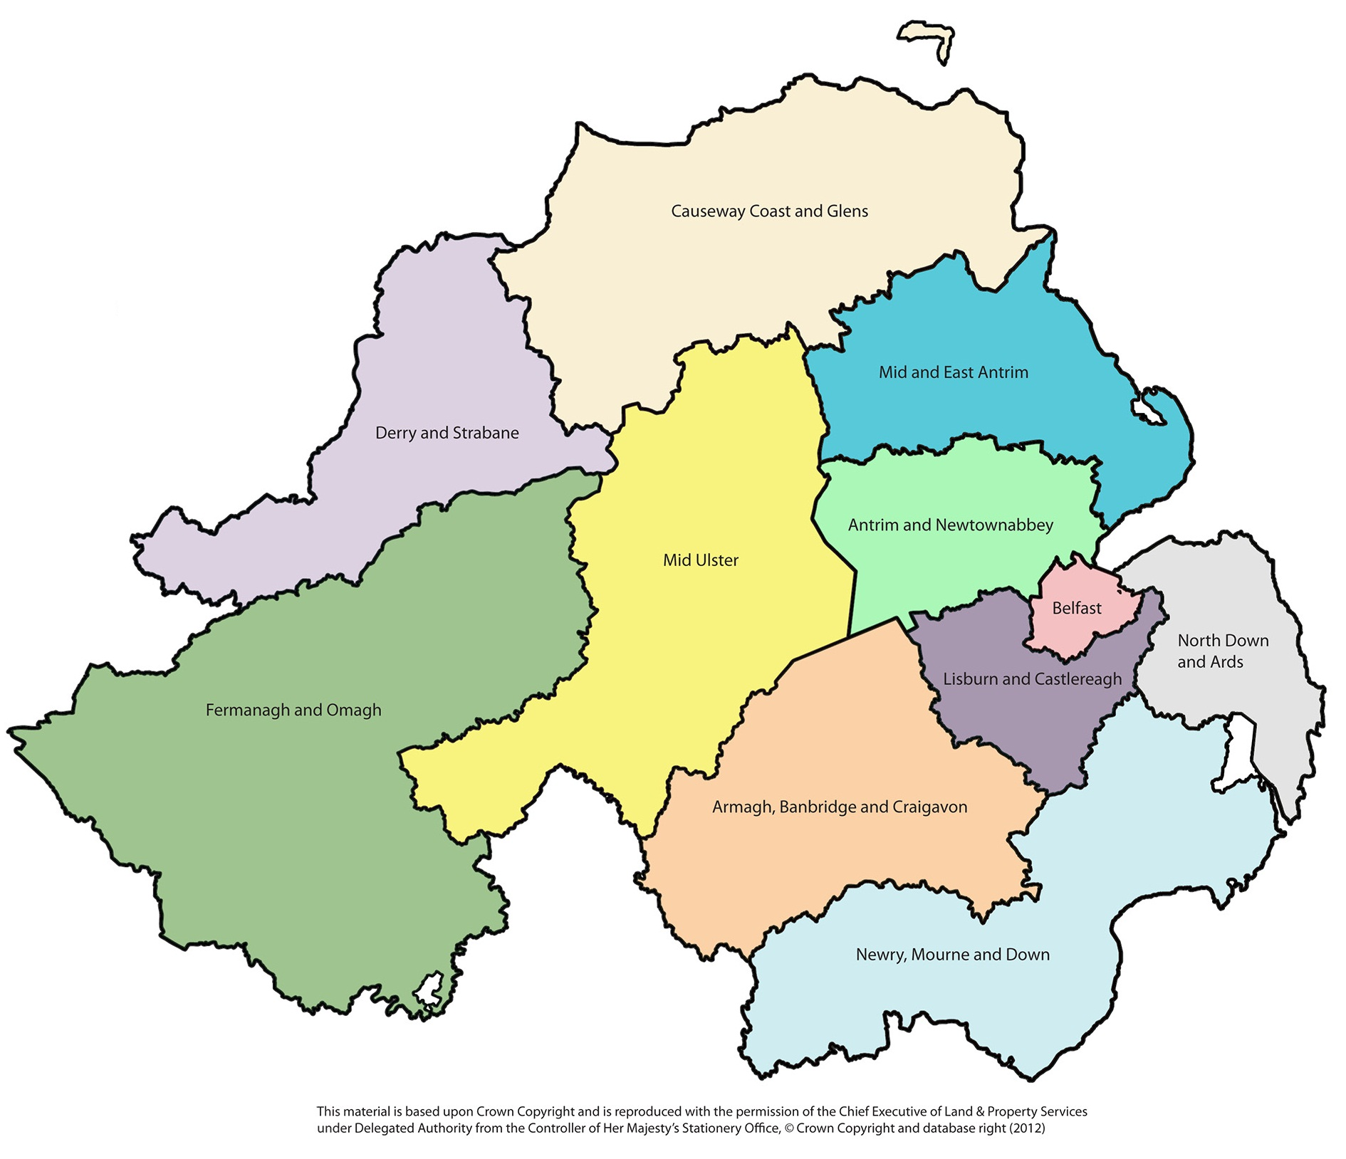

Fig 5a
 | Antrim and Newtownabbey RPPI
2005 | 99.903276512 | 100
 | 99.723509079 | 100
 | 107.94084904 | 100
 | 111.93469586 | 100
2006 | 113.49435108 | 100
 | 124.25572652 | 100
 | 139.49528722 | 100
 | 157.05632811 | 100
2007 | 173.10241148 | 100
 | 189.84261776 | 100
 | 199.35662017 | 100
 | 188.67717224 | 100
2008 | 172.56180782 | 100
 | 166.85135719 | 100
 | 151.82778326 | 100
 | 129.88246991 | 100
2009 | 122.15803365 | 100
 | 125.93874597 | 100
 | 128.12710345 | 100
 | 129.45173934 | 100
2010 | 122.34496352 | 100
 | 120.93059203 | 100
 | 121.58733339 | 100
 | 110.86833305 | 100
2011 | 106.56817087 | 100
 | 107.6021932 | 100
 | 107.62054535 | 100
 | 99.696080905 | 100
2012 | 93.950114657 | 100
 | 94.489495046 | 100
 | 94.156623702 | 100
 | 92.136843778 | 100
2013 | 88.926984094 | 100
 | 90.761530189 | 100
 | 91.414803614 | 100
 | 92.288286548 | 100
2014 | 93.929720837 | 100
 | 96.914933616 | 100
 | 99.075447306 | 100
 | 99.571253363 | 100
2015 | 100 | 100
 | 104.10808272 | 100
 | 105.61926884 | 100
 | 106.93370104 | 100
2016 | 103.92886599 | 100
Quarter 1
Quarter 2
Quarter 3
Quarter 4
Quarter 1
...

Antrim and Newtownabbey

Fig 5b
 | Ards and North Down RPPI
2005 | 97.150602469 | 100
 | 100.79447239 | 100
 | 102.16797067 | 100
 | 106.39637857 | 100
2006 | 109.20616028 | 100
 | 116.87889682 | 100
 | 130.71509532 | 100
 | 147.44379277 | 100
2007 | 165.82716949 | 100
 | 184.45513839 | 100
 | 192.18570336 | 100
 | 200.67714456 | 100
2008 | 191.71859958 | 100
 | 174.5888679 | 100
 | 144.06358388 | 100
 | 141.24169115 | 100
2009 | 132.63610155 | 100
 | 127.57691391 | 100
 | 129.28635449 | 100
 | 126.42344176 | 100
2010 | 123.97299712 | 100
 | 123.59063072 | 100
 | 122.69384713 | 100
 | 113.45898578 | 100
2011 | 108.39149424 | 100
 | 103.5595005 | 100
 | 103.30460758 | 100
 | 104.57365997 | 100
2012 | 95.384960032 | 100
 | 93.775910177 | 100
 | 93.792686813 | 100
 | 91.988284967 | 100
2013 | 88.867375429 | 100
 | 90.01345642 | 100
 | 91.089752543 | 100
 | 92.190391643 | 100
2014 | 94.01062641 | 100
 | 95.872983257 | 100
 | 97.218599785 | 100
 | 98.838473467 | 100
2015 | 100 | 100
 | 101.23342863 | 100
 | 104.17408164 | 100
 | 105.04354717 | 100
2016 | 103.50875628 | 100
Quarter 1
Quarter 2
Quarter 3
Quarter 4
Quarter 1
...

Ards and North Down

Fig 5c
 | Armagh City, Banbridge and Craigavon RPPI
2005 | 102.24559738 | 100
 | 106.32584261 | 100
 | 110.00621248 | 100
 | 116.07303138 | 100
2006 | 121.83105811 | 100
 | 134.55105768 | 100
 | 151.43306958 | 100
 | 173.24045663 | 100
2007 | 197.22696828 | 100
 | 210.78425959 | 100
 | 215.13840999 | 100
 | 192.89542296 | 100
2008 | 187.15910931 | 100
 | 163.98193411 | 100
 | 148.60733504 | 100
 | 140.96700315 | 100
2009 | 126.93898047 | 100
 | 130.1059392 | 100
 | 126.8740015 | 100
 | 125.20225493 | 100
2010 | 122.16763487 | 100
 | 117.97667007 | 100
 | 118.91231931 | 100
 | 114.20518871 | 100
2011 | 110.14703484 | 100
 | 102.4336258 | 100
 | 104.61676299 | 100
 | 99.529573241 | 100
2012 | 95.406547475 | 100
 | 94.712698633 | 100
 | 88.040694398 | 100
 | 85.752307515 | 100
2013 | 86.398660536 | 100
 | 88.02108407 | 100
 | 88.772804428 | 100
 | 92.05399621 | 100
2014 | 92.75882934 | 100
 | 94.659352908 | 100
 | 96.971038211 | 100
 | 99.206771044 | 100
2015 | 100 | 100
 | 102.26998329 | 100
 | 105.65820668 | 100
 | 107.40589637 | 100
2016 | 106.61026419 | 100
Quarter 1
Quarter 2
Quarter 3
Quarter 4
Quarter 1
...

Armagh City, Banbridge and Craigavon

Fig 5d
 | Belfast RPPI
2005 | 99.839848507 | 100
 | 100.58986983 | 100
 | 109.61486081 | 100
 | 110.72823736 | 100
2006 | 112.32658181 | 100
 | 127.0945862 | 100
 | 143.11990799 | 100
 | 161.73535696 | 100
2007 | 176.45968402 | 100
 | 193.30299935 | 100
 | 202.1331224 | 100
 | 185.61398773 | 100
2008 | 167.93343746 | 100
 | 159.37229188 | 100
 | 149.23770149 | 100
 | 127.33080625 | 100
2009 | 120.73522159 | 100
 | 126.99487645 | 100
 | 129.44074935 | 100
 | 127.4133762 | 100
2010 | 121.60998095 | 100
 | 119.97473477 | 100
 | 116.15853564 | 100
 | 107.20112789 | 100
2011 | 101.23995219 | 100
 | 101.55221358 | 100
 | 100.38877329 | 100
 | 97.13689678 | 100
2012 | 88.509113848 | 100
 | 90.170947914 | 100
 | 88.751212629 | 100
 | 85.565933655 | 100
2013 | 83.161649022 | 100
 | 85.783787953 | 100
 | 88.754011424 | 100
 | 90.456288898 | 100
2014 | 91.047052739 | 100
 | 95.463883423 | 100
 | 97.849207994 | 100
 | 99.433561965 | 100
2015 | 100 | 100
 | 102.50073309 | 100
 | 106.77319889 | 100
 | 106.84423422 | 100
2016 | 104.12187818 | 100
Quarter 1
Quarter 2
Quarter 3
Quarter 4
Quarter 1
...

Belfast City Council

Fig 5e
 | Causeway Coast and Glens RPPI
2005 | 111.25820529 | 100
 | 115.49693883 | 100
 | 124.77099878 | 100
 | 129.03476897 | 100
2006 | 134.29176403 | 100
 | 144.95225544 | 100
 | 157.5619515 | 100
 | 172.37834341 | 100
2007 | 195.68568385 | 100
 | 215.31310589 | 100
 | 221.48523811 | 100
 | 210.49987587 | 100
2008 | 194.43732012 | 100
 | 188.77884263 | 100
 | 173.15380873 | 100
 | 148.65258453 | 100
2009 | 135.04919035 | 100
 | 130.73618887 | 100
 | 128.72900034 | 100
 | 135.38292271 | 100
2010 | 125.8620708 | 100
 | 128.92347753 | 100
 | 118.79968048 | 100
 | 122.48723807 | 100
2011 | 118.40232564 | 100
 | 112.52711374 | 100
 | 105.93096478 | 100
 | 108.74622357 | 100
2012 | 97.9401857 | 100
 | 101.07273501 | 100
 | 95.047681369 | 100
 | 93.918791698 | 100
2013 | 91.942790919 | 100
 | 92.883474515 | 100
 | 94.703748712 | 100
 | 95.235927409 | 100
2014 | 91.918715729 | 100
 | 98.812381035 | 100
 | 103.04494812 | 100
 | 101.45077328 | 100
2015 | 100 | 100
 | 105.9210396 | 100
 | 110.00738476 | 100
 | 109.63483084 | 100
2016 | 111.54302041 | 100
Quarter 1
Quarter 2
Quarter 3
Quarter 4
Quarter 1
...

Causeway Coast and Glens

Fig 5f
 | Derry City and Strabane RPPI
2005 | 100.28604766 | 100
 | 105.06089209 | 100
 | 111.97580837 | 100
 | 117.05201696 | 100
2006 | 124.26986606 | 100
 | 135.32365041 | 100
 | 150.94682638 | 100
 | 161.47584742 | 100
2007 | 170.73830838 | 100
 | 183.21013722 | 100
 | 190.6030068 | 100
 | 188.36264379 | 100
2008 | 179.0682813 | 100
 | 162.95265851 | 100
 | 152.29712935 | 100
 | 151.66800446 | 100
2009 | 130.08448816 | 100
 | 127.00103136 | 100
 | 126.31020349 | 100
 | 128.88093621 | 100
2010 | 125.85491794 | 100
 | 117.97970434 | 100
 | 115.92315358 | 100
 | 108.11018895 | 100
2011 | 113.14067114 | 100
 | 105.42379511 | 100
 | 101.4753388 | 100
 | 95.886976076 | 100
2012 | 98.310862392 | 100
 | 96.399020872 | 100
 | 91.481405842 | 100
 | 91.082135964 | 100
2013 | 87.358670666 | 100
 | 90.240283365 | 100
 | 91.268891274 | 100
 | 90.687261552 | 100
2014 | 91.148452981 | 100
 | 92.26649232 | 100
 | 96.195806611 | 100
 | 98.276602496 | 100
2015 | 100 | 100
 | 99.678049912 | 100
 | 103.635692 | 100
 | 103.56091295 | 100
2016 | 105.12721017 | 100
Quarter 1
Quarter 2
Quarter 3
Quarter 4
Quarter 1
...

Derry City and Strabane

Fig 5g
 | Fermanagh and Omagh RPPI
2005 | 109.42923659 | 100
 | 117.23984997 | 100
 | 125.90014478 | 100
 | 130.78131532 | 100
2006 | 135.55574888 | 100
 | 148.56260974 | 100
 | 166.99832189 | 100
 | 177.90540684 | 100
2007 | 194.75885675 | 100
 | 198.72426527 | 100
 | 201.26419695 | 100
 | 202.68397681 | 100
2008 | 194.48422137 | 100
 | 177.25177787 | 100
 | 149.09580452 | 100
 | 154.76859444 | 100
2009 | 131.20303794 | 100
 | 133.67907698 | 100
 | 131.0492934 | 100
 | 133.95899242 | 100
2010 | 126.5461194 | 100
 | 122.95259967 | 100
 | 128.36442938 | 100
 | 116.40433408 | 100
2011 | 115.17910394 | 100
 | 124.86038396 | 100
 | 109.7570809 | 100
 | 107.31446642 | 100
2012 | 101.89819799 | 100
 | 98.783797771 | 100
 | 98.974724258 | 100
 | 93.085121367 | 100
2013 | 95.467294062 | 100
 | 94.72851149 | 100
 | 102.38452023 | 100
 | 93.431373098 | 100
2014 | 96.41896605 | 100
 | 103.15431392 | 100
 | 102.3022898 | 100
 | 102.65191851 | 100
2015 | 100 | 100
 | 104.59660937 | 100
 | 110.77526769 | 100
 | 116.1654915 | 100
2016 | 114.0939765 | 100
Quarter 1
Quarter 2
Quarter 3
Quarter 4
Quarter 1
...

Fermanagh and Omagh

Fig 5h
 | Lisburn and Castlereagh RPPI
2005 | 95.958321585 | 100
 | 100.16443728 | 100
 | 106.75789539 | 100
 | 111.30711634 | 100
2006 | 110.53921232 | 100
 | 123.46555737 | 100
 | 138.55261139 | 100
 | 155.72801783 | 100
2007 | 175.33575401 | 100
 | 192.39848899 | 100
 | 201.6421691 | 100
 | 196.5315351 | 100
2008 | 170.74596194 | 100
 | 165.6645249 | 100
 | 142.09265977 | 100
 | 132.01430859 | 100
2009 | 119.55928567 | 100
 | 123.16666361 | 100
 | 121.86660417 | 100
 | 124.09210088 | 100
2010 | 120.74470506 | 100
 | 119.1089709 | 100
 | 120.00194419 | 100
 | 112.25607273 | 100
2011 | 105.92670307 | 100
 | 100.54039579 | 100
 | 101.84085225 | 100
 | 99.679568963 | 100
2012 | 94.283327346 | 100
 | 93.643236336 | 100
 | 93.61781093 | 100
 | 92.829795524 | 100
2013 | 90.030998902 | 100
 | 90.91214596 | 100
 | 92.514870358 | 100
 | 92.680705025 | 100
2014 | 93.767372993 | 100
 | 97.933499957 | 100
 | 96.639737729 | 100
 | 101.21883853 | 100
2015 | 100 | 100
 | 103.20434281 | 100
 | 104.98478893 | 100
 | 106.4592072 | 100
2016 | 104.79031218 | 100
Quarter 1
Quarter 2
Quarter 3
Quarter 4
Quarter 1
...

Lisburn and Castlereagh

Fig 5i
 | Mid and East Antrim RPPI
2005 | 102.2464266 | 100
 | 104.44332505 | 100
 | 112.74827817 | 100
 | 114.58408963 | 100
2006 | 115.87897491 | 100
 | 126.66878116 | 100
 | 140.61863929 | 100
 | 158.10081621 | 100
2007 | 177.72606118 | 100
 | 195.78586359 | 100
 | 201.97673377 | 100
 | 197.25814685 | 100
2008 | 181.29343822 | 100
 | 177.44747681 | 100
 | 163.05413341 | 100
 | 142.73150609 | 100
2009 | 131.43198693 | 100
 | 129.6597344 | 100
 | 130.98189466 | 100
 | 132.82063867 | 100
2010 | 121.60827735 | 100
 | 129.42338577 | 100
 | 122.95556901 | 100
 | 117.04644382 | 100
2011 | 101.80306005 | 100
 | 111.80540676 | 100
 | 109.06986838 | 100
 | 105.78230549 | 100
2012 | 98.683936136 | 100
 | 102.50730824 | 100
 | 97.089319458 | 100
 | 95.423721956 | 100
2013 | 93.717888689 | 100
 | 94.429191645 | 100
 | 94.085624249 | 100
 | 95.809009023 | 100
2014 | 98.316564333 | 100
 | 99.368386554 | 100
 | 101.15075347 | 100
 | 100.45747486 | 100
2015 | 100 | 100
 | 105.39727612 | 100
 | 104.86503826 | 100
 | 106.96182711 | 100
2016 | 106.16044275 | 100
Quarter 1
Quarter 2
Quarter 3
Quarter 4
Quarter 1
...

Mid and East Antrim

Fig 5j
 | Mid Ulster Average RPPI
2005 | 102.7147785 | 100
 | 110.38631077 | 100
 | 117.59572328 | 100
 | 121.85199934 | 100
2006 | 129.54470215 | 100
 | 136.34606254 | 100
 | 147.40362026 | 100
 | 166.34382291 | 100
2007 | 181.38577235 | 100
 | 200.30872642 | 100
 | 194.92022387 | 100
 | 178.22456272 | 100
2008 | 169.34867 | 100
 | 153.30320796 | 100
 | 145.12270963 | 100
 | 132.34929149 | 100
2009 | 108.7445962 | 100
 | 113.5108677 | 100
 | 116.4229924 | 100
 | 115.06594644 | 100
2010 | 109.6034073 | 100
 | 108.76331823 | 100
 | 106.58794049 | 100
 | 100.63749423 | 100
2011 | 102.79773543 | 100
 | 98.512078136 | 100
 | 93.786108374 | 100
 | 89.290776147 | 100
2012 | 85.438789378 | 100
 | 89.941277766 | 100
 | 84.648330752 | 100
 | 81.336561088 | 100
2013 | 83.348561063 | 100
 | 85.865972874 | 100
 | 88.0471301 | 100
 | 87.238415069 | 100
2014 | 91.596050835 | 100
 | 92.220039987 | 100
 | 92.097649129 | 100
 | 98.132634925 | 100
2015 | 100 | 100
 | 104.10908425 | 100
 | 104.08130695 | 100
 | 103.69874323 | 100
2016 | 108.37110153 | 100
Quarter 1
Quarter 2
Quarter 3
Quarter 4
Quarter 1
...

Mid Ulster

Fig 5k
 | Newry, Mourne and Down RPPI
2005 | 100.81077255 | 100
 | 111.96574304 | 100
 | 117.23568463 | 100
 | 123.62804678 | 100
2006 | 127.44961254 | 100
 | 136.00022423 | 100
 | 150.73860045 | 100
 | 172.14826224 | 100
2007 | 184.11818971 | 100
 | 198.10648045 | 100
 | 213.53633323 | 100
 | 203.87327389 | 100
2008 | 181.85451652 | 100
 | 173.77585232 | 100
 | 160.98664013 | 100
 | 155.78312741 | 100
2009 | 143.09845861 | 100
 | 135.97510786 | 100
 | 135.27669274 | 100
 | 134.58086234 | 100
2010 | 127.12542034 | 100
 | 124.47063197 | 100
 | 123.30924189 | 100
 | 118.63540021 | 100
2011 | 112.15960439 | 100
 | 111.89318855 | 100
 | 109.73005057 | 100
 | 108.32862255 | 100
2012 | 102.46438825 | 100
 | 95.448542756 | 100
 | 95.289387836 | 100
 | 93.451135551 | 100
2013 | 88.282249087 | 100
 | 88.951432038 | 100
 | 90.774517887 | 100
 | 88.882656188 | 100
2014 | 96.834832932 | 100
 | 98.350700044 | 100
 | 101.64416524 | 100
 | 100.56738205 | 100
2015 | 100 | 100
 | 103.46742782 | 100
 | 107.96432089 | 100
 | 108.71933399 | 100
2016 | 106.67434048 | 100
Quarter 1
Quarter 2
Quarter 3
Quarter 4
Quarter 1
...

Newry, Mourne and Down

Fig 6
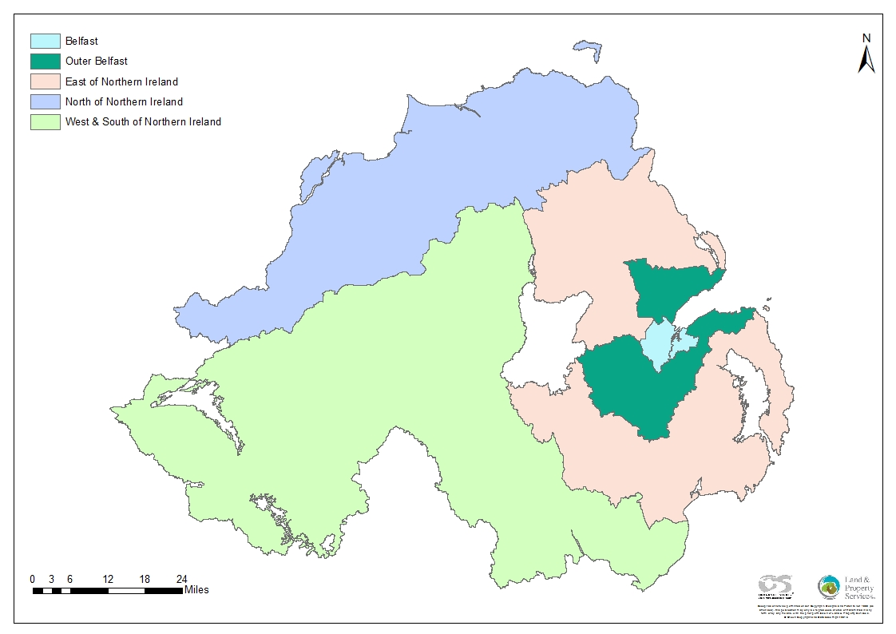

Fig 6a
 | Belfast RPPI
2005 | 100.34399154 | 100
 | 100.86320477 | 100
 | 110.16249008 | 100
 | 111.01519597 | 100
2006 | 112.80207918 | 100
 | 127.59130495 | 100
 | 143.72899722 | 100
 | 162.32617582 | 100
2007 | 177.0468912 | 100
 | 194.51186244 | 100
 | 203.03382639 | 100
 | 185.88084071 | 100
2008 | 168.04804866 | 100
 | 159.50040178 | 100
 | 149.75899084 | 100
 | 127.76119611 | 100
2009 | 121.10583814 | 100
 | 127.54515602 | 100
 | 129.96864755 | 100
 | 127.94612799 | 100
2010 | 122.00073743 | 100
 | 120.16093455 | 100
 | 116.19916724 | 100
 | 107.13725879 | 100
2011 | 101.11472801 | 100
 | 100.9923334 | 100
 | 100.39567822 | 100
 | 96.853418885 | 100
2012 | 88.384945089 | 100
 | 90.084859083 | 100
 | 88.68156224 | 100
 | 85.519387399 | 100
2013 | 82.949933147 | 100
 | 85.541578913 | 100
 | 88.638046411 | 100
 | 90.359946058 | 100
2014 | 91.006000709 | 100
 | 95.467301178 | 100
 | 97.781512527 | 100
 | 99.472904176 | 100
2015 | 100 | 100
 | 102.36606988 | 100
 | 106.90578385 | 100
 | 106.93025712 | 100
2016 | 104.41562337 | 100
Quarter 1
Quarter 2
Quarter 3
Quarter 4
Quarter 1
...

Belfast NUTS3 Area

Fig 6b
 | Outer Belfast RPPI
2005 | 96.356871087 | 100
 | 100.17307957 | 100
 | 105.46229478 | 100
 | 109.0475087 | 100
2006 | 110.03788346 | 100
 | 121.29091242 | 100
 | 136.27096009 | 100
 | 153.71800331 | 100
2007 | 170.84191815 | 100
 | 187.53042195 | 100
 | 196.70801925 | 100
 | 193.89635071 | 100
2008 | 176.46387988 | 100
 | 167.67081767 | 100
 | 145.38179051 | 100
 | 130.29878398 | 100
2009 | 122.62788014 | 100
 | 125.13983284 | 100
 | 125.89557171 | 100
 | 124.66497159 | 100
2010 | 120.66628238 | 100
 | 120.97388218 | 100
 | 120.244473 | 100
 | 111.17744727 | 100
2011 | 103.74537731 | 100
 | 103.01161485 | 100
 | 102.22468298 | 100
 | 100.42548876 | 100
2012 | 94.14224621 | 100
 | 94.387880528 | 100
 | 93.261253584 | 100
 | 91.454253717 | 100
2013 | 88.976226323 | 100
 | 89.92982225 | 100
 | 91.485038975 | 100
 | 92.250806933 | 100
2014 | 93.922313358 | 100
 | 96.807964087 | 100
 | 97.780822295 | 100
 | 100.43663866 | 100
2015 | 100 | 100
 | 103.09356261 | 100
 | 105.81071799 | 100
 | 106.96817141 | 100
2016 | 104.23752657 | 100
Quarter 1
Quarter 2
Quarter 3
Quarter 4
Quarter 1
...

Outer Belfast NUTS3 Area

Fig 6c
 | East of Northern Ireland RPPI
2005 | 101.06267007 | 100
 | 104.13166793 | 100
 | 109.50079059 | 100
 | 113.53371574 | 100
2006 | 117.35978843 | 100
 | 127.65108242 | 100
 | 142.48868626 | 100
 | 161.52153211 | 100
2007 | 182.37048458 | 100
 | 198.67168292 | 100
 | 208.36314232 | 100
 | 195.96939058 | 100
2008 | 184.24133642 | 100
 | 172.18074878 | 100
 | 153.77225334 | 100
 | 145.79836369 | 100
2009 | 132.13425403 | 100
 | 129.09506907 | 100
 | 130.39890665 | 100
 | 131.24866921 | 100
2010 | 124.17514395 | 100
 | 123.56416335 | 100
 | 122.14319396 | 100
 | 116.0221798 | 100
2011 | 110.51143841 | 100
 | 108.12099341 | 100
 | 108.51015826 | 100
 | 103.82243002 | 100
2012 | 96.888139912 | 100
 | 97.247411561 | 100
 | 93.399337827 | 100
 | 91.933142285 | 100
2013 | 89.58133451 | 100
 | 91.159401201 | 100
 | 91.28591228 | 100
 | 93.187057103 | 100
2014 | 94.958793221 | 100
 | 97.137939214 | 100
 | 99.135536239 | 100
 | 98.979287749 | 100
2015 | 100 | 100
 | 103.47262807 | 100
 | 104.50115768 | 100
 | 105.78660591 | 100
2016 | 105.12295564 | 100
Quarter 1
Quarter 2
Quarter 3
Quarter 4
Quarter 1
...

East of NI NUTS3 Area

Fig 6d
 | North of Northern Ireland RPPI
2005 | 105.51052261 | 100
 | 109.99869019 | 100
 | 118.0809631 | 100
 | 122.72776991 | 100
2006 | 128.92443053 | 100
 | 139.74219008 | 100
 | 153.75152909 | 100
 | 166.43675739 | 100
2007 | 182.72859439 | 100
 | 198.73115064 | 100
 | 205.4911587 | 100
 | 198.88395365 | 100
2008 | 186.17073037 | 100
 | 174.83723775 | 100
 | 161.93553224 | 100
 | 150.07030366 | 100
2009 | 132.3699517 | 100
 | 128.73433083 | 100
 | 127.42174336 | 100
 | 131.88826487 | 100
2010 | 125.82001459 | 100
 | 124.29775896 | 100
 | 117.57085922 | 100
 | 116.36399754 | 100
2011 | 116.17383842 | 100
 | 109.45904797 | 100
 | 104.04931804 | 100
 | 103.0151324 | 100
2012 | 98.188368528 | 100
 | 98.989168888 | 100
 | 93.476279836 | 100
 | 92.686295328 | 100
2013 | 89.891211092 | 100
 | 91.732652256 | 100
 | 93.184990258 | 100
 | 93.201268928 | 100
2014 | 91.620425777 | 100
 | 95.967538159 | 100
 | 100.0855788 | 100
 | 100.08182825 | 100
2015 | 100 | 100
 | 103.20886251 | 100
 | 107.23964316 | 100
 | 106.99779771 | 100
2016 | 108.72567828 | 100
Quarter 1
Quarter 2
Quarter 3
Quarter 4
Quarter 1
...

North of NI NUTS3 Area

Fig 6e
 | West & South of Northern Ireland RPPI
2005 | 105.85404925 | 100
 | 113.50330885 | 100
 | 120.31322406 | 100
 | 127.32696518 | 100
2006 | 132.62354328 | 100
 | 142.58937007 | 100
 | 157.57156391 | 100
 | 175.79337823 | 100
2007 | 190.80809922 | 100
 | 203.79739566 | 100
 | 201.73238221 | 100
 | 193.09690022 | 100
2008 | 181.48267748 | 100
 | 163.8024874 | 100
 | 150.98132674 | 100
 | 143.80519951 | 100
2009 | 124.51110186 | 100
 | 127.68800581 | 100
 | 125.29817588 | 100
 | 125.14808231 | 100
2010 | 119.60381522 | 100
 | 116.45156956 | 100
 | 117.1955636 | 100
 | 110.51795903 | 100
2011 | 108.40286135 | 100
 | 107.78102608 | 100
 | 103.04631891 | 100
 | 99.474152361 | 100
2012 | 95.277329192 | 100
 | 92.698132858 | 100
 | 90.492643221 | 100
 | 86.658750558 | 100
2013 | 87.438660018 | 100
 | 88.839426767 | 100
 | 92.025000981 | 100
 | 89.452230697 | 100
2014 | 94.407693717 | 100
 | 96.43803299 | 100
 | 97.224832511 | 100
 | 100.24659678 | 100
2015 | 100 | 100
 | 103.10866536 | 100
 | 107.18428293 | 100
 | 109.4988422 | 100
2016 | 110.28589789 | 100
Quarter 1
Quarter 2
Quarter 3
Quarter 4
Quarter 1
...

West and South of NI NUTS3 Area

Fig 7
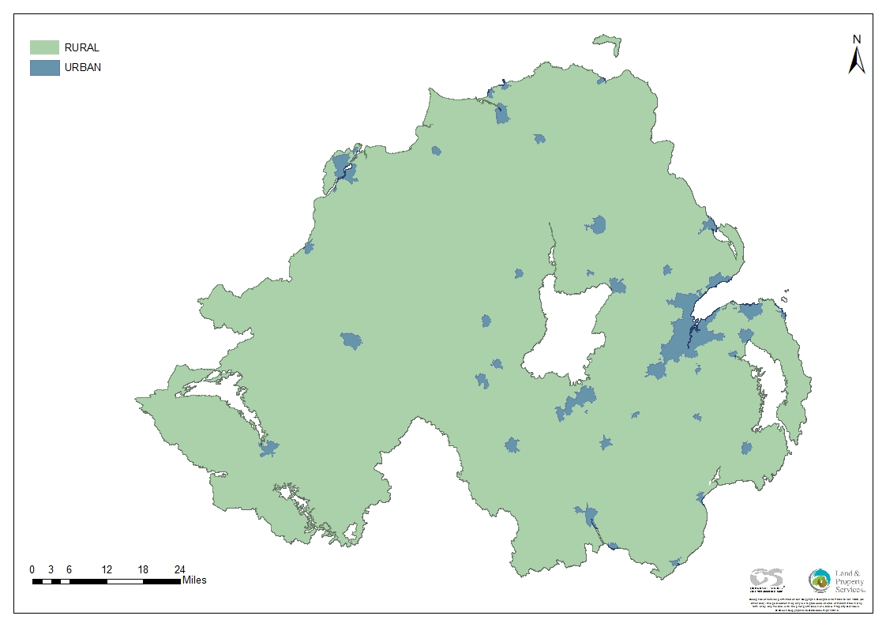

Urban - Rural Classification sourced from NISRA Geography More details are available at:
http://www.nisra.gov.uk/geography/UrbanRural.htm

Fig 7a
 | Urban Areas RPPI
2005 | 101.30994708 | 100
 | 104.4029077 | 100
 | 111.16348489 | 100
 | 114.87199628 | 100
2006 | 118.18755934 | 100
 | 130.33148225 | 100
 | 145.67836788 | 100
 | 163.77809693 | 100
2007 | 181.18844961 | 100
 | 196.59092264 | 100
 | 203.19499251 | 100
 | 193.3636478 | 100
2008 | 179.12757225 | 100
 | 168.00162829 | 100
 | 152.99451872 | 100
 | 138.01809627 | 100
2009 | 127.29154402 | 100
 | 128.45692567 | 100
 | 129.24861595 | 100
 | 128.55826607 | 100
2010 | 122.64828184 | 100
 | 121.45976221 | 100
 | 119.22413254 | 100
 | 111.73870621 | 100
2011 | 106.00643161 | 100
 | 104.86616868 | 100
 | 102.92049673 | 100
 | 99.897862479 | 100
2012 | 93.303518272 | 100
 | 93.851319385 | 100
 | 91.573039395 | 100
 | 89.171761132 | 100
2013 | 86.999602492 | 100
 | 88.529614103 | 100
 | 90.483957902 | 100
 | 91.471512473 | 100
2014 | 93.097074448 | 100
 | 96.097175576 | 100
 | 98.311085942 | 100
 | 99.800827 | 100
2015 | 100 | 100
 | 103.04543267 | 100
 | 106.23083078 | 100
 | 106.9143584 | 100
2016 | 105.46171035 | 100
Quarter 1
Quarter 2
Quarter 3
Quarter 4
Quarter 1
...

Urban Areas of Northern Ireland

Fig 7b
 | Rural Areas RPPI
2005 | 100.10986048 | 100
 | 105.46795086 | 100
 | 111.84759069 | 100
 | 116.17511869 | 100
2006 | 119.32937363 | 100
 | 128.57196854 | 100
 | 142.56774556 | 100
 | 158.13940826 | 100
2007 | 174.92115978 | 100
 | 192.76151465 | 100
 | 201.39028061 | 100
 | 193.24261651 | 100
2008 | 178.56561688 | 100
 | 166.80999972 | 100
 | 148.00009397 | 100
 | 140.78436293 | 100
2009 | 124.30279713 | 100
 | 125.4875021 | 100
 | 124.74743839 | 100
 | 126.79461648 | 100
2010 | 121.69229526 | 100
 | 120.92869145 | 100
 | 119.10722932 | 100
 | 113.75396889 | 100
2011 | 110.9010748 | 100
 | 107.59741334 | 100
 | 106.0862226 | 100
 | 103.47403479 | 100
2012 | 97.437357255 | 100
 | 96.816544981 | 100
 | 93.240198505 | 100
 | 91.621317172 | 100
2013 | 90.120359762 | 100
 | 92.010144733 | 100
 | 93.154691738 | 100
 | 92.830995581 | 100
2014 | 94.071374005 | 100
 | 97.52059545 | 100
 | 98.479303024 | 100
 | 99.905071384 | 100
2015 | 100 | 100
 | 103.11653972 | 100
 | 105.78104469 | 100
 | 107.34143467 | 100
2016 | 107.4675 | 100
Quarter 1
Quarter 2
Quarter 3
Quarter 4
Quarter 1
...

Rural Areas of Northern Ireland

Fig 8
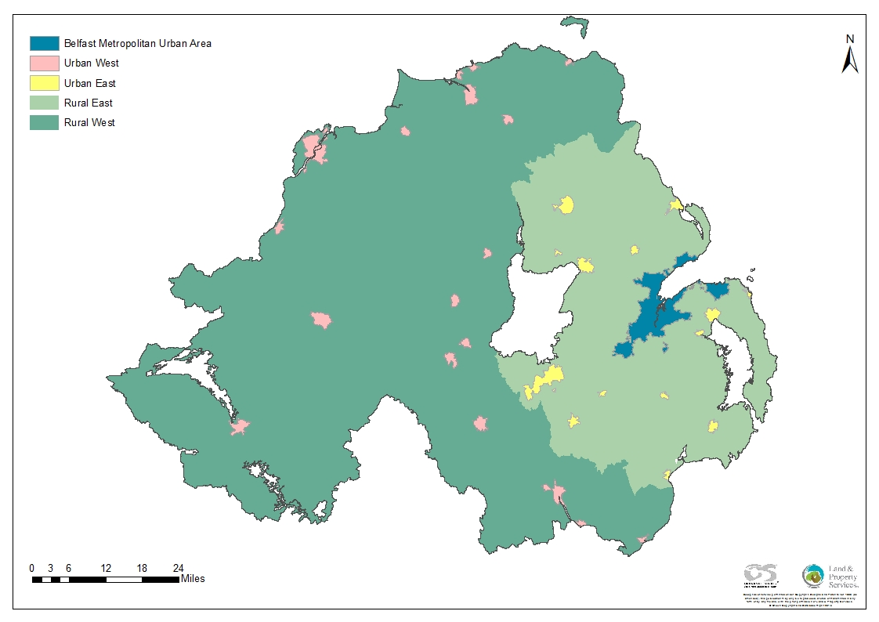

Fig 8a
 | BMUA
2005 | 98.361739872 | 100
 | 100.54255909 | 100
 | 107.64037271 | 100
 | 109.79407609 | 100
2006 | 111.34827935 | 100
 | 124.33642045 | 100
 | 139.95202887 | 100
 | 158.06077906 | 100
2007 | 173.76008484 | 100
 | 190.44848568 | 100
 | 199.2782696 | 100
 | 189.29990605 | 100
2008 | 173.0087117 | 100
 | 163.25002074 | 100
 | 147.20532368 | 100
 | 128.59257386 | 100
2009 | 121.83496119 | 100
 | 126.24064127 | 100
 | 128.03178912 | 100
 | 125.88958382 | 100
2010 | 121.22791547 | 100
 | 120.42942269 | 100
 | 117.90327133 | 100
 | 109.03099331 | 100
2011 | 102.32205708 | 100
 | 101.99124024 | 100
 | 100.82476954 | 100
 | 98.475032076 | 100
2012 | 90.938810912 | 100
 | 91.813226675 | 100
 | 90.763036717 | 100
 | 88.049458009 | 100
2013 | 85.639523369 | 100
 | 87.427541951 | 100
 | 89.900070026 | 100
 | 91.149196807 | 100
2014 | 92.301165868 | 100
 | 95.910202831 | 100
 | 97.781890136 | 100
 | 99.931238182 | 100
2015 | 100 | 100
 | 102.66404273 | 100
 | 106.39867294 | 100
 | 106.85337595 | 100
2016 | 104.18932192 | 100
Quarter 1
Quarter 2
Quarter 3
Quarter 4
Quarter 1
...

Belfast Metropolitan Urban Area

Fig 8b
 | UrbanEast
2005 | 102.74188642 | 100
 | 105.17070558 | 100
 | 110.52322154 | 100
 | 115.19394584 | 100
2006 | 119.3705007 | 100
 | 130.66225376 | 100
 | 146.0642801 | 100
 | 167.24309675 | 100
2007 | 189.83946346 | 100
 | 204.30174774 | 100
 | 210.89884536 | 100
 | 198.62162727 | 100
2008 | 187.10277334 | 100
 | 175.23624383 | 100
 | 158.32760596 | 100
 | 147.35321174 | 100
2009 | 134.18175104 | 100
 | 130.45294341 | 100
 | 131.44800347 | 100
 | 132.26095087 | 100
2010 | 124.14512937 | 100
 | 124.00090437 | 100
 | 122.76466515 | 100
 | 116.49272129 | 100
2011 | 109.60743675 | 100
 | 108.29806798 | 100
 | 107.95038718 | 100
 | 102.54742527 | 100
2012 | 96.302255456 | 100
 | 97.574526895 | 100
 | 93.403596119 | 100
 | 91.6449011 | 100
2013 | 89.403884504 | 100
 | 90.513055844 | 100
 | 90.497768493 | 100
 | 92.661979841 | 100
2014 | 95.324295272 | 100
 | 96.983641535 | 100
 | 98.777454616 | 100
 | 99.064612888 | 100
2015 | 100 | 100
 | 103.77924394 | 100
 | 104.65461524 | 100
 | 106.08821641 | 100
2016 | 105.19981481 | 100
Quarter 1
Quarter 2
Quarter 3
Quarter 4
Quarter 1
...

Urban areas in East Northern Ireland

Fig 8c
 | RuralEast
2005 | 96.855525701 | 100
 | 101.2424182 | 100
 | 106.72549616 | 100
 | 110.30634932 | 100
2006 | 112.13750293 | 100
 | 121.31589972 | 100
 | 135.24490931 | 100
 | 150.87200909 | 100
2007 | 169.20687579 | 100
 | 188.64359052 | 100
 | 201.93769452 | 100
 | 193.47363193 | 100
2008 | 175.93313254 | 100
 | 167.69927677 | 100
 | 145.82918512 | 100
 | 139.70215722 | 100
2009 | 126.29562367 | 100
 | 125.96352252 | 100
 | 126.77161365 | 100
 | 128.31295515 | 100
2010 | 122.81775731 | 100
 | 122.50756558 | 100
 | 122.21552075 | 100
 | 114.6095028 | 100
2011 | 109.67403364 | 100
 | 107.02915701 | 100
 | 108.43468435 | 100
 | 105.30846159 | 100
2012 | 97.909083149 | 100
 | 97.623088098 | 100
 | 94.498385983 | 100
 | 93.848032163 | 100
2013 | 91.01566843 | 100
 | 92.773994511 | 100
 | 93.137099829 | 100
 | 94.21429314 | 100
2014 | 94.945320379 | 100
 | 98.007066312 | 100
 | 98.982442266 | 100
 | 99.681770601 | 100
2015 | 100 | 100
 | 103.22724831 | 100
 | 104.67821895 | 100
 | 106.14894651 | 100
2016 | 105.07999037 | 100
Quarter 1
Quarter 2
Quarter 3
Quarter 4
Quarter 1
...

Rural areas in East Northern Ireland

Fig 8d
 | UrbanWest
2005 | 107.33167702 | 100
 | 113.0143926 | 100
 | 120.51625574 | 100
 | 126.65465824 | 100
2006 | 133.04715044 | 100
 | 144.24676328 | 100
 | 159.09515333 | 100
 | 174.40136109 | 100
2007 | 190.76690862 | 100
 | 204.53842757 | 100
 | 206.73315282 | 100
 | 199.29293108 | 100
2008 | 186.57425087 | 100
 | 173.09825702 | 100
 | 161.94183536 | 100
 | 151.41950184 | 100
2009 | 133.88217752 | 100
 | 131.95567503 | 100
 | 130.29702131 | 100
 | 131.51675848 | 100
2010 | 124.78396491 | 100
 | 121.38116065 | 100
 | 118.84084298 | 100
 | 113.83672761 | 100
2011 | 112.19179294 | 100
 | 108.90976421 | 100
 | 103.21638492 | 100
 | 100.72842211 | 100
2012 | 96.411763208 | 100
 | 95.515841324 | 100
 | 91.911307296 | 100
 | 89.699863985 | 100
2013 | 88.162190583 | 100
 | 89.438761928 | 100
 | 92.057431982 | 100
 | 91.159654779 | 100
2014 | 92.965030283 | 100
 | 95.71941208 | 100
 | 99.170053047 | 100
 | 100.18300071 | 100
2015 | 100 | 100
 | 103.27784049 | 100
 | 107.35694936 | 100
 | 107.86813352 | 100
2016 | 108.91030053 | 100
Quarter 1
Quarter 2
Quarter 3
Quarter 4
Quarter 1
...

Urban areas in West Northern Ireland

Fig 8e
 | RuralWest
2005 | 103.64663837 | 100
 | 110.18190248 | 100
 | 117.65302772 | 100
 | 122.90335388 | 100
2006 | 127.74616072 | 100
 | 136.99864736 | 100
 | 150.97923738 | 100
 | 166.37972786 | 100
2007 | 181.13537683 | 100
 | 197.07058259 | 100
 | 200.45122309 | 100
 | 192.6638679 | 100
2008 | 181.20631481 | 100
 | 165.53271949 | 100
 | 150.17625206 | 100
 | 141.74030408 | 100
2009 | 121.911128 | 100
 | 124.55994868 | 100
 | 122.32405044 | 100
 | 124.84905534 | 100
2010 | 120.14578783 | 100
 | 118.91341189 | 100
 | 115.53575427 | 100
 | 112.51369723 | 100
2011 | 111.89149108 | 100
 | 107.9422222 | 100
 | 103.63855871 | 100
 | 101.51408634 | 100
2012 | 96.788273669 | 100
 | 95.813282541 | 100
 | 91.76788161 | 100
 | 89.150280728 | 100
2013 | 89.033972374 | 100
 | 91.072161686 | 100
 | 93.11616658 | 100
 | 91.190263367 | 100
2014 | 93.006352122 | 100
 | 96.924933924 | 100
 | 97.863314339 | 100
 | 100.18070227 | 100
2015 | 100 | 100
 | 102.9885109 | 100
 | 107.07240498 | 100
 | 108.73882768 | 100
2016 | 110.29957266 | 100
Quarter 1
Quarter 2
Quarter 3
Quarter 4
Quarter 1
...

Rural areas in West Northern Ireland

